Only One Brands Inc. Oct 2023
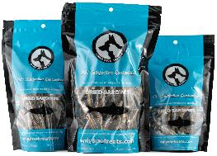
Product Category | Product Description | Size | MSRP
Dried Sardines (Made in Canada)
 | Dried Sardines | 40g | $7.99
 | Dried Sardines | 90g | $13.99
 | Dried Sardines | 150g | $20.99

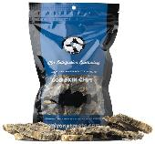
Cod Skin Chips (Made in Canada)
 | Cod Skin Chips 100g Bag | 100g | $13.99

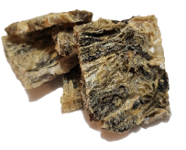
Cod Skin Chips Bulk (Made in Canada)
 | 1kg Bulk Cod Skin Chips | 1kg | $114.99

Salmon Skin Strips (Made in Canada)
 | Salmon Skin Strips | 85g | $10.99

Training Treats (Made in Canada)
 | Wild Pacific Salmon Training Treats 170g / 6oz | 170g | $15.49
 | Wild Pacific Salmon Training Treats 680g / 24oz | 680g | $49.99
 | Ingredients: Wild Pacific Salmon, Chickpea Flour, Veg. Glycerin

 | Canadian Beef Liver Training Treats Treat 170g / 6oz | 170g | $15.49
 | Canadian Beef Liver Training Treats 680g / 24oz | 680g | $49.99
 | Ingredients: Beef Liver, Chickpea Flour, Veg. Glycerin

 | Soft Natural Peanut Training Treats 170g / 6oz | 170g | $15.49
 | Soft Natural Peanut Training Treats 680g / 24oz | 680g | $49.99
 | Ingredients: Dry Roasted Peanuts, Chickpea Flour, Veg. Glycerin

 | Fresh Soft Pumpkin Training Treats 170g / 6oz | 170g | $15.49
 | Fresh Soft Pumpkin Training Treats 680g / 24oz | 680g | $49.99
 | Ingredients: Pumpkin, Chickpea Flour, Veg. Glycerin
Soft Jerky Treats (Made in Canada)
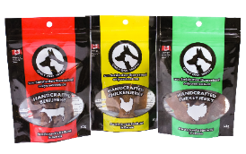
 | Beef Jerky 56g | 56g | $10.99
 | Chicken Jerky 56g | 56g | $10.99
 | Turkey Jerky 56g | 56g | $10.99

Kangaroo Jerky (Made in Canada)
 | Kangaroo Jerky 56g Bag | 56g | $16.99

Camel Jerky (Made in Canada)
 | Camel Jerky 56g Bag | 56g | $18.99

Beef Liver Jerky (Made in Canada)
 | Beef Liver Jerky 100g Bag | 100g | $11.99
 | 1kg Bulk Beef Liver Jerky | 1kg | $95.99

Pork Liver Jerky (Made in Canada)
 | Pork Liver Jerky 100g Bag | 100g | $13.99
 | 1kg Bulk Pork Liver Jerky | 1kg | $111.99

Duck Liver Jerky (Made in Canada)
 | Duck Liver Jerky 85g Bag | 85g | $17.49

Dried Pumpkin Slices (Made in Canada)
 | Dried Pumpkin Slices 100g Bag | 100g | $13.29
 | 1kg Bulk Dried Pumpkin Slices | 1kg | $105.99

Dried Sweet Potato Slices (Made in Canada)
 | Dried Sweet Potato Slices 100g Bag | 100g | $11.99
 | 1kg Bulk Dried Sweet Potato Slices | 1kg | $94.99

Dried Purple Sweet Potato Slices (Made in Canada)
 | Dried Purple Sweet Potato Slices 100g Bag | 100g | $11.99
 | 1kg Bulk Dried Purple Sweet Potato Slices | 1kg | $99.99

Freeze-Dried Beef Liver (Made in Canada)
 | Freeze-Dried Beef Liver 50g Bag | 50g | $9.99
 | Freeze-Dried Beef Liver 100g Bag | 100g | $15.99
 | 1kg Bulk Freeze-Dried Beef Liver | 1kg | $139.99

Freeze-Dried Chicken (Made in Canada)
 | Freeze-Dried Chicken 50g Bag | 50g | $9.99
 | Freeze-Dried Chicken 100g Bag | 100g | $15.99
 | 1kg Bulk Freeze-Dried Chicken | 1kg | $139.99

Freeze-Dried Salmon (Made in Canada)
 | Freeze-Dried Salmon 43g Bag | 43g | $9.99
 | Freeze-Dried Salmon 85g Bag | 85g | $15.99
 | 1kg Bulk Freeze-Dried Salmon | 1kg | $154.99

Freeze-Dried Turkey (Made in Canada)
 | Freeze-Dried Turkey 43g Bag | 43g | $9.99
 | Freeze-Dried Turkey 85g Bag | 85g | $15.99
 | 1kg Bulk Freeze-Dried Turkey | 1kg | $149.99

Freeze-Dried Cod (Made in Canada)
 | Freeze-Dried Cod 35g Bag | 35g | $9.99
 | Freeze-Dried Cod 70g Bag | 70g | $15.99
 | 1kg Bulk Freeze-Dried Cod | 1kg | $164.99

Rabbit & Beaver Sticks (Made in Canada)
 | Rabbit & Beaver Sticks 110g | 110g | $18.99

Salmon and Beef Tripe Sticks (Made in Canada)
 | Salmon & Beef Tripe Sticks 110g | 110g | $16.99

Lamb Tripe Sticks (Made in Canada)
 | Lamb Tripe Sticks 100g | 100g | $13.79

Lamb Tripe Bites (Made in Canada)
 | Lamb Tripe Bites 100g | 100g | $14.79

Beef Tripe Sticks (Made in Canada)
 | Beef Tripe Sticks 100g | 100g | $13.79

Beef Tripe Bites (Made in Canada)
 | Beef Tripe Bites 100g | 100g | $14.79

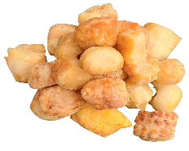
Himalayan Yak Snak Puffs (Made in Nepal)
 | Himalayan Yak Snak Puffs 100g Bag | 100g | $15.99

Beef Lung (Made in Canada)
 | Beef Lung 70g Bag | 70g | $12.79
 | 1kg Bulk Beef Lung | 1kg | $139.99

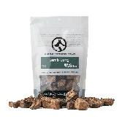
Lamb Lung (Made in Turkey)
 | Lamb Lung 70g Bag | 70g | $11.99
 | 1kg Bulk Lamb Lung | 1kg | $129.99

Green Beef Tripe (Made in Turkey)
 | Green Beef Tripe 70g Bag | 70g | $10.99
 | 1kg Bulk Green Beef Tripe | 1kg | $91.99

Green Lamb Tripe (Made in Turkey)
 | Green Lamb Tripe 70g Bag | 70g | $11.99
 | 1kg Bulk Green Lamb Tripe | 1kg | $99.99

Green Goat Tripe (Made in Turkey)
 | Green Goat Tripe 70g Bag | 70g | $12.99
 | Case - Green Goat Tripe Bag ($7.40/ea) | 70g | $12.99
 | 1kg Bulk Green Goat Tripe | 1kg | $109.99

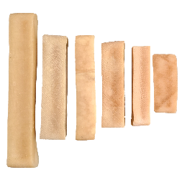
Himalayan Yak Snak (Made in Nepal)
 | Small Himalayan Yak Snak (50g) | SM | $7.99
 | Medium Himalayan Yak Snak (75g) | MD | $10.99
 | Large Himalayan Yak Snak (100g) | LG | $15.99
 | Extra-Large Himalayan Yak Snak (155g) | XL | $23.99
 | King-Size Himalayan Yak Snak (200g) | KING | $29.49
 | Monster Himalayan Yak Snak (260g) | MSTR | $37.79

 | Buy 2 get 10% off Buy 5 or more get 20% off
Strawberry Himalayan Yak Snak (Made in Nepal)
 | Large Strawberry Himalayan Yak Snak (100g) | LG | $16.99
 | Extra-Large Strawberry Himalayan Yak Snak (155g) | XL | $25.99

 | Volume discounts include quantities of Strawberry
Bully Sticks (Made in Kyrgystan)
 | 6 Inch
 | Thin Bully Stick (avg weight 17g) | 6" | $3.89
 | Standard Bully Sticks (avg weight 26g) | 6" | $4.99
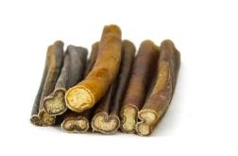
 | Jumbo Bully Sticks (avg weight 33g) | 6" | $7.69
 | Monster Bully Sticks (avg weight 44g) | 6" | $9.99
 | Braided Bully Sticks (avg weight 50g) | 6" | $11.99
 | 12 Inch
 | Thin Bully Stick (avg weight 35g) | 12" | $7.79
 | Standard Bully Sticks (avg weight 44g) | 12" | $9.99
 | Jumbo Bully Sticks (avg weight 66g) | 12" | $15.39
 | Monster Bully Sticks (avg weight 90g) | 12" | $19.99
 | Braided Bully Sticks (avg weight 130g) | 12" | $23.99
 | Buy 5 get 10% off Buy 10 get 20% off
Beef Collagen Sticks (Made in Turkey)
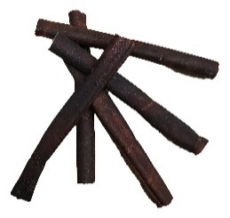
 | 6 Inch
 | Thin Beef Collagen Stick (avg weight 13g) | 6" | $2.69
 | Standard Beef Collagen Sticks (avg weight 26g) | 6" | $3.99
 | Jumbo Beef Collagen Sticks (avg weight 33g) | 6" | $5.99

 | 12 Inch
 | Thin Beef Collagen Stick (avg weight 18g) | 12" | $3.99
 | Standard Beef Collagen Sticks (avg weight 34g) | 12" | $6.99
 | Jumbo Beef Collagen Sticks (avg weight 53g) | 12" | $10.69
 | Buy 10 get 10% off Buy 20 get 20% off
9" Veal Pizzle Stick (Made in Canada)
 | 9" Veal Pizzle Stick | 9" | $6.69

6" Pork Pizzle Stick (Made in Canada)
 | 5-7" Pork Pizzle Stick | 5-7" | $2.49

Lamb Pizzle (Made in Kyrgystan)
 | 8-11" Braided Lamb Pizzle Stick
 | 8-11" Braided Lamb Pizzle Stick | 8 - 11" | $8.99

 | 9-14" Lamb Pizzle Stick Single
 | 9-14" Lamb Pizzle Stick Single | 9 - 14" | $3.99

Lamb Gullet (Made in Turkey)
 | Lamb Gullet Pieces 70g Bag | 70g | $15.99

Lamb Gullet (Made in Turkey)
 | 11"+ Braided Lamb Gullet Stick
 | 11"+ Braided Lamb Gullet Stick | 11"+ | $6.99

 | 5-7" Braided Lamb Gullet Stick
 | 5-7" Braided Lamb Gullet Stick | 5 - 7" | $3.49

 | 11"+ Lamb Gullet Sticks
 | 11"+ Lamb Gullet Sticks | 11"+ | $2.19

6" & 10" Beef Trachea (Made in Canada)
 | 6" Beef Trachea | 6" | $5.49
 | 10"+ Beef Trachea | 10" | $10.99

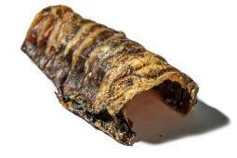
5-7" Split Beef Trachea Pieces (Made in Canada)
 | 1 x 5-7" Split Beef Trachea Pieces | 25g | $2.69

8-9" Veal Trachea (Made in Canada)
 | 8-9" Veal Trachea | 8-9" | $5.99

5-7" & 7" Lamb Trachea (Made in Turkey) &
 | 5-7" Lamb Trachea | 5-7" | $3.49
 | 7"+ Lamb Trachea | 7"+ | $4.99

8" Beef Gullet Strip (Made in Canada)
 | 8" Beef Gullet Strip | 8" | $5.19

10" Beef Backstrap (Made in Canada)
 | 10" Beef Backstrap (Avg weight 36g) | 10" | $8.99

Regular Chicken Feet (Made in Canada)
 | 1 x Regular Chicken Foot | 12g | $2.25
 | 10 x Regular Chicken Feet | 12g | $19.99

Giant Chicken Feet (Made in Canada)
 | 1 x Giant Chicken Foot | 25g | $3.75
 | 10 x Giant Chicken Feet | 25g | $34.99

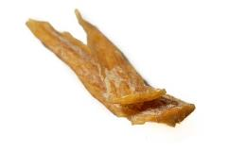
Beef Tendons (Made in Canada)
 | 4-7"
 | 1 x 4-7" Beef Tendon | 19g | $3.99
 | 10 x 4-7" Beef Tendon | 19g | $35.99

 | 8-12"
 | 1 x 8-12" Beef Tendon | 100g | $8.99
 | 10 x 8-12" Beef Tendon | 100g | $80.99

Beef Achilles Tendons (Made in Canada)
 | 8-12"
 | 1 x 8-12" Beef Achilles Tendon | 53g | $7.99
 | 5 x 8-12" Beef Achilles Tendon |  | $35.99
 | 12-16"
 | 1 x 12-16" Beef Achilles Tendon | 80g | $11.99
 | 5 x 12-16" Beef Achilles Tendon |  | $53.99

Baked Pork Ear (Made in Canada)
 | 1 x Pork Ear | 30g | $4.49
 | 5 x Pork Ear | 30g | $20.99
 | 10 x Pork Ear | 30g | $38.99

Lamb Ear (Made in Turkey)
 | 1 x Lamb Ear | 14g | $1.99
 | 10 x Lamb Ear | 14g | $17.99
 | 25 x Lamb Ear | 14g | $42.99

Regular Beef Ear (Made in Turkey)
 | 1 x Regular Beef Ear | 39g | $5.99
 | 5 x Regular Beef Ear | 39g | $26.99
 | 10 x Regular Beef Ear | 39g | $50.99

Giant Beef Ear (Made in Turkey)
 | 1 x Giant Beef Ear | 65g | $8.99
 | 5 x Giant Beef Ear | 65g | $40.99
 | 10 x Giant Beef Ear | 65g | $76.99

Goat Ear (Made in Turkey)
 | 1 x Goat Ear | 24g | $5.99
 | 5 x Goat Ear | 24g | $26.99
 | 10 x Goat Ear | 24g | $50.99

Baked 4-6" & 10" Pork Skin Roll (Made in Canada)
 | 1 x 4-6" Pork Skin Roll | 4-6" | $4.99
 | 1 x 10"+ Pork Skin Roll | 10"+ | $9.99

Smoked Pork Snout (Made in Canada)
 | 1 x Smoked Pork Snout | 36g | $5.99
 | 5 x Smoked Pork Snout | 36g | $26.99
 | 10 x Smoked Pork Snout | 36g | $50.99

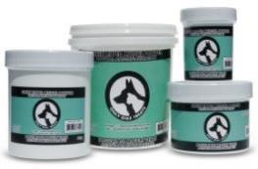
Green Lipped Mussel Powder (Product of New Zealand)
 | Green Lipped Mussel Powder | 60g | $20.99
 | Green Lipped Mussel Powder | 150g | $43.99
 | Green Lipped Mussel Powder | 500g | $114.99

Kelp Powder (Made in Canada)
 | 1 x Organic Atlantic Sea Kelp Powder 24 oz | 680g | $24.99

Coconut & Peppermint Dog Toothpaste (Made in Canada)
 | Coconut & Peppermint Dog Toothpaste 2oz / 56g | 2oz | $13.99
 | Coconut & Peppermint Dog Toothpaste 4oz / 113g | 4oz | $23.99

Paw & Nose Balm (Made in Canada)
 | Paw & Nose Balm 43 mL / 1.5oz | 1.5oz | $13.99

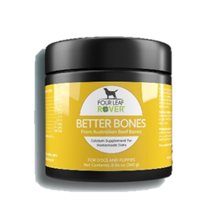
Four Leaf Rover Supplements
 | Better Bones- Dried bone for homemade diets | 240g | $30.99
 | Guts & Glory- Grass fed organs for dogs | 42 g | $39.99
 | Protect- Soil based probiotics | 115.5g | $39.99
 | Bifido For Fido- Gut health for dogs | 50.1g | $39.99
 | Digest- Deigestive enzymens and probiotics for dogs | 35.5g | $39.99
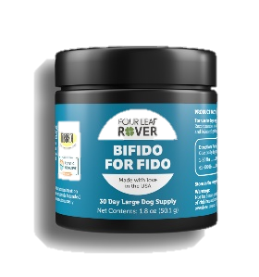
 | Gut Guard- For dogs with leaky gut | 100.4g | $53.99
 | Saccharomyces Boulardii- Yeast-based probiotics for dogs | 46.7g | $39.99
 | Bovine Colostrum- Immune support for dogs (16.5g) | 16.5 | $26.99
 | Bovine Colostrum- Immune support for dogs (33g) | 33g | $46.99
 | Green Rover- Green ferment for dogs | 39g | $33.99
 | Red Rover- Organic berries for dogs | 76.5g | $33.99
 | Lion's Mane- Organic mushroom extract | 17.55g | $26.99
 | Turkey Tail Mushrooms- Organic mushroom extract | 24.4g | $26.99
 | Seven 'Shrooms- Organic mushroom mix | 51g | $46.99
 | Hip & Joint- Natural joint support (67.5g) | 67.5 | $39.99
 | Hip & Joint- Natural joint support (135g) | 135g | $73.99
 | Liver/Kidney Clean | 39.9g | $32.99
 | Yeast Guard | 39.3g | $53.99
 | Yeast-Free Fido- Yeast support for dogs |  | $107.99
 | Safe Sea- Green Lipped Mussel Oil for dogs | 113 ml | $46.99

